Sheet1
MUIDS NUTRITION CALCULATOR
Instructions: Over the next five days you will be using this nutrition calculator to assess your overall nutrition. Your grade will be based on how honest and thorough you are, not on how healthy you are. There is no penalty for having an unhealthy diet. Instead, use this as a learning opportunity. This calculator is designed to be easy to use, therefore it is not 100% accurate. It is based on a 2,000 calorie diet. If you eat more than this or less than this, your numbers should be a little higher or a little lower. Also to make it easier, all serving sizes have been converted into cups. You can see an example of 1 cup of cooked rice to the right. Calculations do not need to be exact, and can be entered in halves (ex. 0.5) or quarters (ex. 0.25). Please follow instructions carefully and ask the teacher if you have questions. You will not get your final totals until after Day 5 is complete. |  |  |  |  |  | 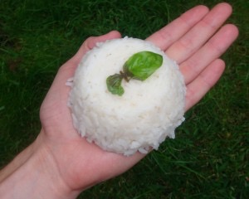

 |  |  |  | Developed by Dan Simonds for use at Mahidol University International Demonstration School
Section 1: Vegetables and Mushrooms | Vegetables (Total) | Vegetables (Raw) | Vegetables (Boiled / Steamed) | Vegetables (Stir-fried) | Vegetables (Deep fried) | Mushrooms | 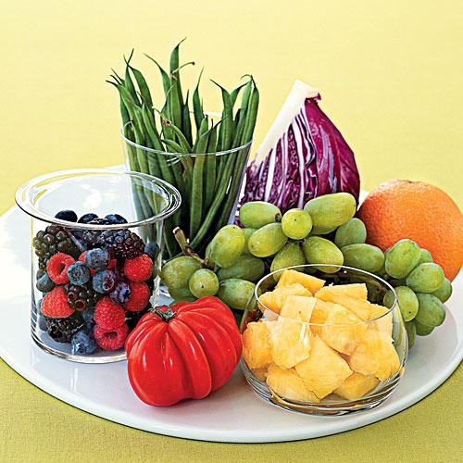

Monday | 2 | 2
Tuesday
Wednesday
Thursday
Friday

Section 2: Whole fruit and 100% Fruit Juice | Fruit (Total) | Whole Fruit | 100% Fruit Juice | About: Fruits and Vegetables
 |  |  |  | Fruits and Vegetables are your main source for Vitamins, Minerals and Fiber. The United States Department of Health now suggests that a person consuming a 2,000 calorie diet should eat 9 servings of fruits and vegetables each day. A serving is about 1/2 cup or 1 cup if you are eating raw, leafy greens. Because fresh fruits and vegetables contain enzymes, which help your body absorb nutrients, it is much better to consume fresh fruits and vegetables than processed ones. The picture above shows a plate with the daily recommendation of fruits and vegetables.
Monday | 1 | 1 | 1
Tuesday |  |  | 1.5
Wednesday |  | 1
Thursday |  |  | 1
Friday

Section 3: Meat, Fish and Eggs | Meat (Pork / Beef / Chicken) Total | Meat (Fish) Total | Meat (Boiled / Steamed) | Meat (Stir-fried) | Meat (Deep Fried) | Eggs | Eggs (fried)

Monday | 1.5 |  |  |  | 1.5 | 1
Tuesday | 2 |  | 0.5 | 1 | 0.5 |  | 1
Wednesday |  |  | 1.25 | 1.5 | 2 | 1
Thursday
Friday |  |  |  |  | 1
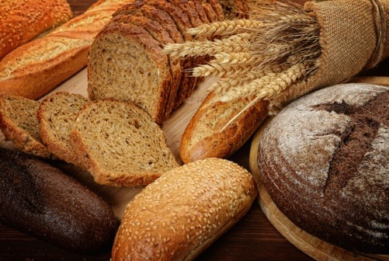
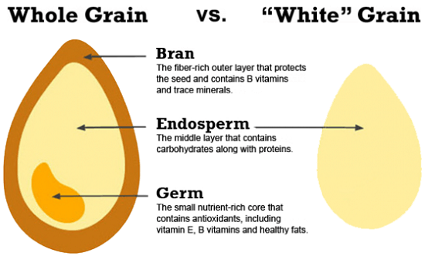
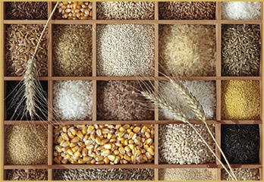
Section 4: Grains and Starches | Whole Grains (Total) | Refined Grains (Total) | Potatoes (Total)

Monday | 0.5 | 0.5 | 0.25
Tuesday | 1 | 1.75
Wednesday | 1.5 | 1.5 | 1
Thursday |  | 1.75
Friday |  | 1.5

Section 5: Nuts, Seeds and Beans | Nuts / Seeds (Total) | Nuts / Seeds (Raw) | Nuts / Seeds (Roasted / Salted) | Soy / Tofu (Total) | Beans (Total) *do not include green beans | Coconut (whole or milk)

Monday | 0.25 |  | 0.25
Tuesday
Wednesday
Thursday
Friday |  |  | 0.25 | 0.25

Section 6: Dairy | Milk (Total) | Cheese (Total) | Yogurt Unsweetened (Total) | Yogurt Sweetened (Total) | About: Dairy
 |  |  |  |  | Dairy is a very controversial topic among nutritionists. On the one hand, dairy is high in calcium, vitamin D and protein. On the other hand, the purpose of milk is to make baby cows into giant animals, not for humans to drink. In addition, many people are lactose intolerant, meaning they have a hard time digesting dairy. Finally, there have been major studies which link consuming animal protein to many serious diseases.
Monday | 1 |  |  | 1
Tuesday | 1 | 0.25
Wednesday | 2.75
Thursday | 1
Friday

Section 7: Extras | Snacks (sweet - not including chocolate) | Snacks (salty / savory) | Sweet Drinks | Chocolates | Ice-cream | Sauces (on all foods) Average Dish = .25 cups | Soup / Curry Broth / Tomato Sauce

Monday | 0.1 |  | 1 |  |  | 0.25
Tuesday | 1.25 |  |  | 0.5 | 0.5 | 0.1
Wednesday |  | 1 |  | 1.25
Thursday |  |  | 1
Friday |  |  | 1
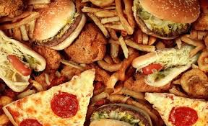
Answer the following questions: |  |  |  | Answer:
On average, how many different types of fruits and vegetables did you eat per day? Must be a minimum of 1/4 cup to be counted) |  |  |  | 4,4

Were any of the meals you ate cooked with coconut oil, olive oil, or natural butter? This is only likely if it was cooked at home. If so, enter the total number of meals cooked with this oil.

How many of your total meals / snacks came from a chain restaurant (ex. McDonalds, Pizza Company) or came in a package (ex. from 7/11)? Count each meal as 1 and each snack as 0.5

Your Results: These will not be complete until the end of Day 5
The Good | Complex Carbohydrates | 12% | Most of these are considered beneficial to have in high quantities. Vitamins, minerals, carbohydrates, fats, protein and fiber are essential for your body to function. Being above 100% is not a problem for any of these categories. However, too much protein can be bad for your kidneys. Try to keep your levels closer to 100% than 200%, unless you do a lot of strength training.
 | Protein | 107%
 | Fiber | 23%
 | Vitamins | #VALUE!
 | Minerals | 21%
 | Good Fats | 7%
Be Careful | Bad Fats | 76% | Most of these are considered harmful in high quanitities. Try to stay below 100%. LDL (known as 'bad') cholesterol does not come from food, but some foods encourage your body to produce it. Although we can not live without sodium, most people go far over the daily recommendations. Simple carbohydrates basically have the same effect on your body as refined sugars. Both are considered to be the most significant dietary cause of obesity and disease. Some studies recommend less than 10% of total protein come from animals, and that high levels of animal proteins can lead to heart disease, cancer and other serious diseases.
 | LDL (Bad) Cholesterol | 323%
 | Simple Carbohydrates | 101%
 | Refined Sugar | 231%
 | Sodium | 24%
 | Animal Protein (as a % of total protein) | 68%

For many of the above categories, you can see where your values come from below: |  |  |  |  |  |  |  | Good fat | Minerals | Vitamins
Source of Fiber | Fiber (grams) | Source of Complex Carbohydrates | Complex Carbohydrates (grams) | Source of Protein | Protein (grams) | Vitamins |  |  |  | 4,4 | #VALUE!
Vegetables | 6 | Vegetables | 10 | Vegetables | 2 | #VALUE!
Nuts & Seeds | 3.5 | Nuts & Seeds | 4.5 | Nuts & Seeds | 5.5 |  |  |  |  |  | #VALUE!
Whole Grains | 9 | Whole Grains | 135 | Whole Grains | 15 | Minerals
Whole Fruit | 6 | Whole Fruit | 26 | Beans | 0 | 21%
Beans | 0 | Beans | 0 | Mushrooms | 0
Fruit Juice | 1.75 | Mushrooms | 0 | Processed Grains | 42 | Good Fats
Mushrooms | 0 | Coconut | 0 | Coconuts | 0 | 7%
Processed Grain | 7 | Tofu | 1 | Potatoes | 1.875
Coconut | 0 |  |  | Tofu | 5
Potato | 1.25 |  |  | Savory Snack | 4
Tofu | 0.25 |  |  | Meat (B / P / C) | 105
 |  |  |  | Meat (Fish) | 0 |  |  | Sugars
 |  |  |  | Milk | 48
 |  |  |  | Cheese | 7
 |  |  |  | Yogurt | 0

Total (grams) | 34.75 | Total (grams) | 176.5 | Total (grams) | 235.375
Percent / 5 Days | 23% | Percent / 5 Days | 12% | Percent / 5 Days | 107%

Source of Simple Carbohydrates | Simple Carbohydrates (grams) | Source of Refined Sugar | Refined Sugar (grams) | Source of Sodium | Sodium (miligrams) | Animal Protein (Percent of Total Protein)
Fruit Juice | 87.5 | Chocolate | 122.5 | Chocolate | 140 | 68%
Sweet Snacks | 108 | Ice-Cream | 15 | Ice-cream | 15 |  |  | Bad Fats |  | BC | LBC
Sweet Drinks | 90 | Sweetened Yogurt | 43 | Cheese | 175 | Bad Fats
Processed Grains | 210 | Sauces | 5.6 | Milk | 615.25 | 76%
Potatoes | 31.25 | Sweet Snacks | 94.5 | Yogurt (all) | 40
Savory Snacks | 60 | Sweetened Drinks | 66 | Sauces | 350 | LDL (Bad) Cholesterol
Chocolate | 105 |  |  | Sweet Snacks | 270 | 323%
Ice-cream | 17.5 |  |  | Savory Snacks | 280
 |  |  |  | Broth | 0

Total (grams) | 709.25 | Total (grams) | 346.6 | Total (miligrams) | 1885.25
Percent / 5 Days | 101% | Percent / 5 Days | 231% | Percent / 5 Days | 24%

Your Sources of Refined Sugar
Your Souces of Sodium
Your Sources of Simple Carbohydrates

